DG1-17
Dairy Goat Enterprise Budget |  |  |  | Year: | 2017 | INSTRUCTIONS
 |  |  |  |  |  | > Enter information in white cells. > Values in blue cells are calculated. > Click on cells with red in the corner for explanations.
Mixed Breed Goat Dairy - Southcentral Idaho |  |  |  | No. of Does: | 200

 |  | Number
 |  | of Head | Price or | Total | Value or
 | Unit | or Units | Cost/Unit | Value | Cost/Head
GROSS RETURNS |  |  |  |  |  | NOTES
Milk Sales | cwt | 20 | 32.00 | 128,000 | 640.00 | 200 | Number of does
Cull Does | hd | 0.15 | 200.00 | 6,000 | 30.00 | 6 | Number of bucks
Cull Bucks | hd | 0.01 | 300.00 | 600 | 3.00 | 150% | Kidding rate
Male Kids | hd | 0.75 | 20.00 | 3,000 | 15.00 | 15% | Doe cull rate
Female Kids | hd | 0.75 | 30.00 | 4,500 | 22.50 | 5% | Doe death loss
TOTAL GROSS RETURNS |  |  |  | $142,100 | $710.50

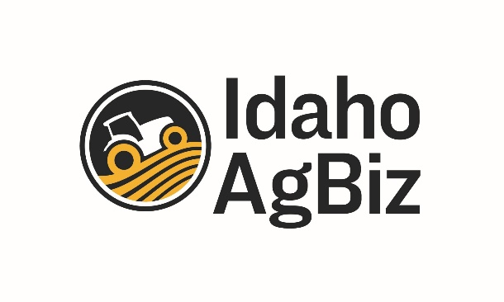
OPERATING COSTS
Alfalfa Hay | ton | 1 | 120.00 | 24,000 | 120.00
Alfalfa/Grass Hay | ton | 0 |  | 0 | 0.00
Grain/Concentrate | ton | 1 | 300.00 | 60,000 | 300.00
Straw | ton | 0.25 | 45.00 | 2,250 | 11.25
Veterinary/Health | hd | 1 | 15.00 | 3,000 | 15.00
Milking Supplies | hd | 1 | 10.00 | 2,000 | 10.00
Milk Testing | hd | 1 | 10.00 | 2,000 | 10.00
Milk Hauling | cwt | 0 |  | 0 | 0.00
Utilities | $ | 1 | 20.00 | 4,000 | 20.00
Legal & Accounting | $ | 1 | 1.50 | 300 | 1.50
Owner Labor | hr | 10 | 19.70 | 39,400 | 197.00
Hired Labor | hr | 10 | 14.00 | 28,000 | 140.00
Miscellaneous | $ | 1 | 5.00 | 1,000 | 5.00
 |  |  |  | 0 | 0.00
 |  |  |  | 0 | 0.00
Machinery (Fuel, Oil, Repair) |  |  | 2,500.00 | 2,500 | 12.50
Vehicles (Fuel, Repair) |  |  | 3,500.00 | 3,500 | 17.50
Equipment (Repair) |  |  | 2,000.00 | 2,000 | 10.00
Buildings & Improvements (Repair) |  |  | 3,000.00 | 3,000 | 15.00
Interest on Operating Capital |  | $50,000 | 6.50% | 3,250 | 16.25
TOTAL OPERATING COSTS |  |  |  | $180,200 | $901.00

NET RETURNS ABOVE OPERATING COSTS |  |  |  | ($38,100) | -$190.50

OWNERSHIP COSTS
Capital Recovery:
Milking Equipment |  |  | 2,452 | 2,452 | 12.26
Buildings & Other Equipment |  |  | 9,334 | 9,334 | 46.67
Replacement Does |  |  | 2,719 | 2,719 | 13.60
Replacement Bucks |  |  | 783 | 783 | 3.91
Machinery & Vehicles |  |  | 3,967 | 3,967 | 19.83
Interest on Retained Livestock |  | $100,000 | 5.00% | 5,000 | 25.00
Taxes & Insurance |  |  | 1,000 | 1,000 | 5.00
General Overhead |  |  | 2,000 | 2,000 | 10.00
TOTAL OWNERSHIP COSTS |  |  |  | $27,255 | $136.28

TOTAL COSTS |  |  |  | $207,455 | $1,037.28

NET RETURNS ABOVE TOTAL COSTS |  |  |  | ($65,355) | -$326.78

