Calculator
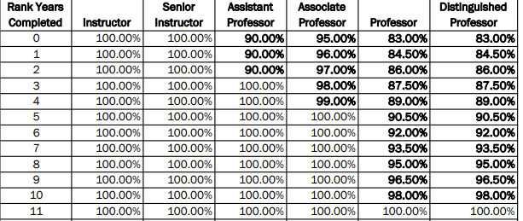
Academic Year Salary |  |  | Fiscal Year Conversion from AY
Enter CIP rank market salary:
Enter Longevity time in rank: |  | $-
If NTT: never change this | 90% | $-
 |  |  |  |  | Round-up
Banner Rounded AY TT Target | $- | $- | Banner Rounded FY TT Target | $- | $- | $-
Banner Rounding AY NTT Target | $- | $- | Banner Rounded FY NTT Target | $- | $- | $-

